Form Index
#REF! |  |  |  | E-filing in the Supreme Court for Civil matters since 2 January 2013. E-filing in the Subordinate Courts for Civil matters since 30 September 2013. E-filing in the Subordinate Courts for Family matters since 2 December 2013. The Subordinate Courts were renamed "State Courts" on 7 March 2014. E-filing in the Family Justice Courts since 1 October 2014. New Format Case Numbers for all Courts from 2 January 2015. The new format is: [Case Forum]/[Case Type]<Space>[Case Serial No.]/ [Case Year]
INTEGRATED ELECTRONIC LITIGATION SYSTEM |  |  | done

 | Table of Contents | Template Index | 30/11/2021
 |  |  |  | Actions

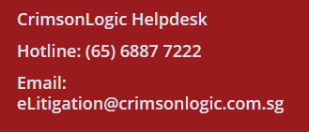
A. | Basic Filing Templates |  | Page 1
1 | Submission Information | Template - A1

2 | Party Details (For High Court Filings)
 | Type of Entity
 | a) Company / Government Department / Limited Liability Partnership / Natural Person / | Template - A2 |  | Template
 | Partnership / Society / Sole Proprietorship / Statutory Board |  |  | From A1, A2 and A4.
 | b) Cargo Owner / Demise Charterer / Vessel Owner / Vessel Owner and/or Demise Charterer | Template - A2 |  | From B1 to B4.
 | c) Crew | Template - A2 |  | From L1 to L4.

4 | Order Of Court For Amendment | Template - A4

B. | Admin Details
1 | Request for Exemption / Waiver of Filing Fees [Full / Partial Waiver] | Template - B1
 | ( If the applicant is applying for waiver and do not have any supporting documents, Eg. Letter from Judiciary, Legal Aid Certificate and etc., please make full filing payment at Service Bureau counter )
2 | Request to Backdate | Template - B2
3 | Special Request for Hearing Date | Template - B3
4 | E-Service of Document(s) | Template - B4

L. | Corporate Entity Winding Up Application
1 | Originating Summons (CWU) [ General Division of the High Court ] | Template - L1 |  | Compose eform plus attach Annexure(s), where necessary.
2 | Memorandum (Companies Winding Up) | Template - L2 |  | Compose eform.

 | Advertisement (Chinese Newspaper) | Upload document |  | Upload document.
 | Advertisement (English Newspaper) | Upload document |  | Upload document.
 | Advertisement of Appointment of Liquidator | Upload document |  | Upload document.
 | Advertisement of Winding Up Application | Upload document |  | Upload document.
 | Certificate That Liquidator Has Given Security | Upload document |  | Upload document.
 | Consent of Liquidator | Upload document |  | Upload document.
 | List of Parties Wishing to Attend the Hearing of the Application | Upload document |  | Upload document.
 | Notice of Winding Up Order | Upload document |  | Upload document.
 | Receipt from IPTO | Upload document |  | Upload document.

 | Affidavits
3 | Affidavit | Template - L4 |  | Upload Document.

Submission Info
eLitigation |  |  |  |  |  |  |  |  |  |  |  |  |  |  | Submission Template - A1
Application For Electronic Filing of Court Documents |  |  |  |  |  |  |  |  |  |  |  |  |  |  | For SERVICE BUREAU Use Only |  |  |  |  | Back to Index
Note : Data Fields marked with an ' * ' are Mandatory Fields. |  |  |  |  |  |  |  |  |  |  |  |  |  |  | Ack Slip No. :
Submission Information |  |  |  |  |  |  |  |  |  |  |  |  |  |  | Stamping Fees
Court Type * ( Please ' tick ' one of the following )
 |  |  |  |  |  |  |  |  |  |  |  |  |  |  |  | SERVICE BUREAU - SERVICE TERMS AND CONDITIONS APPLY.

Filing Case Number and Document Number *

 |  |  |  |  | Court Forum |  | Case Type |  |  | Serial No. |  |  |  | Year |  | T&Cs apply. Please turn over to read the service terms and conditions.
 | Case No. : * |  |  |  | HC | / | CWU |  |  |  |  |  | /

 | Originating ( or ) Related Cases ( Enter if applicable ) |  |  |  |  |  |  |  |  |  |  |  |  |  |  | Service Bureau staffs will not be responsible for providing advice on issues of legal or Court procedure, and it is the sole responsibility of the Applicant to seek independent legal advice.

 | Originating/Related Cases (EFS) : |  |  |  |  |  |  |  |  |  |  |  | /

 | Originating/Related Cases (Non-EFS) :

 | Sub Case No. : * (For Amendment) |  |  |  |  |  |  |  |  |  |  |  | /

 | Sub Case No. : * (For Reference) |  |  |  |  |  |  |  |  |  |  |  | /

 | File Reference No. : *

Do you require Urgent Processing of these Documents? * If yes, please ' tick ' Urgent.

Do you require any Special Request for this Hearing? *

Law Firm / Litigant in Person Information *

 | Name of Law Firm or Name of Litigant in Person and ID No. : *

 | Your Address:

 | Solicitor Representing Filing Party : *
 | Solicitor Name(s) : * |  |  |  |  |  |  |  |  |  |  | Solicitor ID(s) : *
1)
2)

Contact Person Information *
 | Contact Person : * |  |  |  |  |  |  |  | Tel No. ( Office ) : * |  |  |  |  | Tel No. ( Home ) : *

 | Mobile Phone No. : * |  |  |  |  |  |  |  |  |  | Fax No. : *

Document Information *

Notice
Please forward single-sided hardcopy document for scanning. For double-sided page, please make photocopy before filing thru' Service Bureau.
Notice
Please forward single-sided hardcopy document for scanning. For double-sided page, please make photocopy before filing thru' Service Bureau.
 | Document Name(s) : *
1 |  |  |  |  |  |  |  | 5
 |  |  |  |  |  |  |  | 6
2 |  |  |  |  |  |  |  | 7
3 |  |  |  |  |  |  |  | 8
4 |  |  |  |  |  |  |  | 9
 | Document Remarks :
 |  |  |  |  |  |  |  |  |  |  |  |  |  |  |  |  |  | E-Service of Document (Additional Charges) Please complete E-Service of Document(s), Template-B4.

 | Document Filed By : * ( Please state the name(s) of filing Party (i.e. name of Plaintiff, Defendant etc.) )
1 |  |  |  |  |  |  |  | 4
2 |  |  |  |  |  |  |  | 5 |  |  |  |  |  |  |  | Note: |  | E-Service of document can only be effected on law firms that are eLitigation subscribers.
3 |  |  |  |  |  |  |  | 6

Declaration * ( Important : Please read the Service Terms and Conditions before signing this form )
 | I/We hereby declare that the information given in this application is true and correct.

 |  |  |  | I/We DO NOT wish to verify the details of this application prepared by Service Bureau.
 |  |  |  | I/We shall undertake all charges incurred that are related to this application.
 |  |  |  | I/We hereby authorise the Service Bureau to transmit and file this application via the Integrated |  |  |  |  |  |  |  |  |  |  |  |  |  | SMS
 |  |  |  | Electronic Litigation System (eLitigation) on my/our behalf to the Court System.
 |  |  |  | By submitting this application form and/ or using SB Services, I/ We consent to
 |  |  |  | Service Bureau - Service Terms and Conditions attached herein and the applicable charges which can be
 |  |  |  | found at https://www.elitigation.sg/_layouts/IELS/Home/SBFees.aspx.

 |  |  |  |  |  |  |  |  |  |  |  |  |  |  |  |  | ( Please provide a valid Handphone No. and/or Email to receive Reply Status of this submission. Upon receiving the notification, please visit the service bureau to collect back all your filing document(s) with Court's replies attached to it. )
 | Prepared By: (Name & Designation) * |  |  |  |  |  | Date * |  |  |  | Signature of Solicitor/Litigant-In-Person *

Acknowledgment of Verification
 |  |  |  | I/We wish to verify the details of this application prepared by Service Bureau.
 | I have verified to be correct and accurate the data entered by the Service Bureau into the system. |  |  |  |  |  |  |  |  |  |  |  |  |  |  |  | HP No.:

 |  |  |  |  |  |  |  |  |  |  |  |  |  |  |  |  | Email :
 | Verify By: (Name & Designation) |  |  |  |  | Date / Time |  |  |  |  | Signature of Solicitor/Litigant-In-Person

 |  |  |  |  |  |  |  |  |  |  |  |  |  |  |  |  |  |  | eLitigation Rel - 01 Apr 2022

 | SERVICE BUREAU - SERVICE TERMS AND CONDITIONS

 | IMPORTANT - PLEASE READ THESE SERVICE TERMS AND CONDITIONS CAREFULLY. THEY GOVERN YOUR USE OF THE SERVICE BUREAU AND CONSTITUTE A LEGALLY BINDING AGREEMENT (“AGREEMENT”). BY USING THE SERVICE BUREAU SERVICES, YOU (“THE APPLICANT”) ACKNOWLEDGE AND AGREE TO BE BOUND BY THESE TERMS.

 | Introduction and Scope of Services

 | 1. |  | The role of the Service Bureau is strictly limited to providing administrative convenience and assistance to the Applicant in relation to the use of the various services made available through the Service Bureau (“SB Services”).

 | 2. |  | The Service Bureau does not provide legal advice, legal representation, or any form of professional advisory services.

 | 3. |  | The Applicant acknowledges that the SB Services are facilitative in nature only and do not replace the Applicant’s obligation to understand and comply with applicable laws, court rules, and procedures.

 | Service Standards

 | 4. |  | The Service Bureau shall use reasonable care and skill in the provision of the SB Services and shall make reasonable efforts to minimize errors.

 | 5. |  | The Service Bureau does not warrant that: shall be the Applicant’s sole and exclusive remedy for such errors. • the SB Services will be uninterrupted, timely, secure, or error-free; or • the SB Services will be available at all times.

 | 6. |  | Where an error occurs that is directly attributable to the provision of the SB Services, the Service Bureau may, at its sole discretion, waive any filing costs incurred by the Applicant solely for the purpose of correcting that error.

 | 7. |  | The waiver of such filing costs shall be the Applicant’s sole and exclusive remedy in respect of any such error, to the fullest extent permitted by law.

 |  | Reliance on Applicant-Provided Information
 | 8. |  | All SB Services are provided strictly based on information and/or documents supplied by the Applicant.

 | 9. |  | The Service Bureau: • does not verify, validate, or review the appropriateness, accuracy, or completeness of such information or documents; and • shall not be responsible for any rejection, delay, or adverse outcome arising from inaccuracies, omissions, or defects in such information or documents.
...

Company Winding Up
...
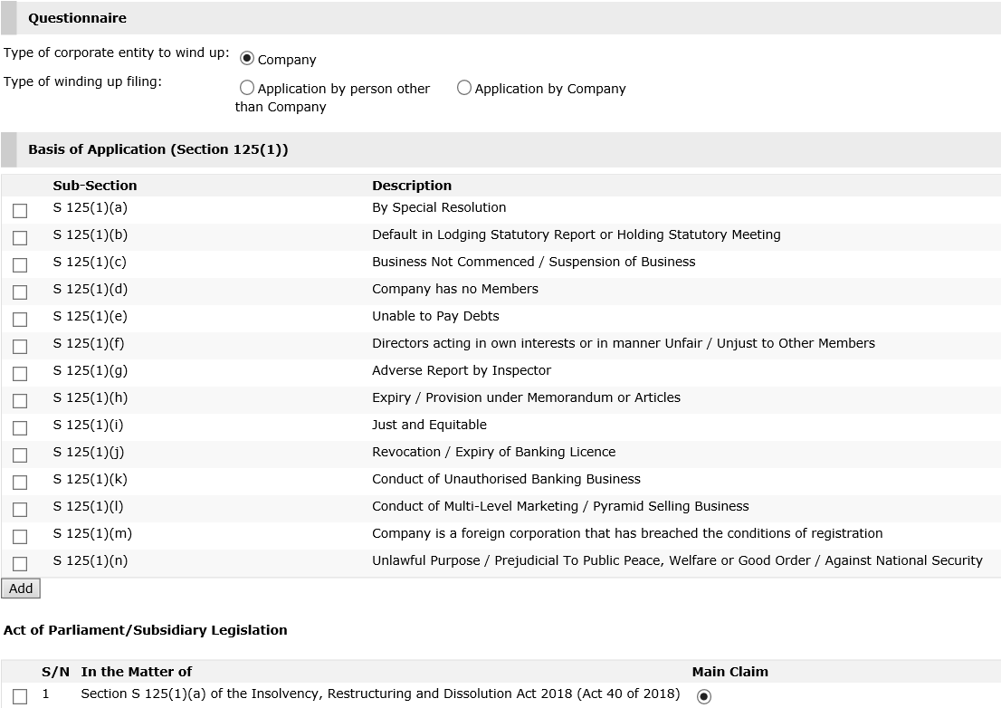
Act of Parliament/Subsidiary Legislation

 | Please provide either a [Legislation] or [Nature of Case] to proceed.

 | 1) Legislation : *

Please ' tick ' which is your Main Claim, either the 1st Nature of Case or 1st Legislation.

 |  |  |  |  | Provision : *

 |  |  |  |  | Sub Provision :

 | 2) Legislation : *

 |  |  |  |  | Provision : *

 |  |  |  |  | Sub Provision :

 |  |  |  |  |  | Page 2
...
 | In the Matter of *

 | In the Matter of *
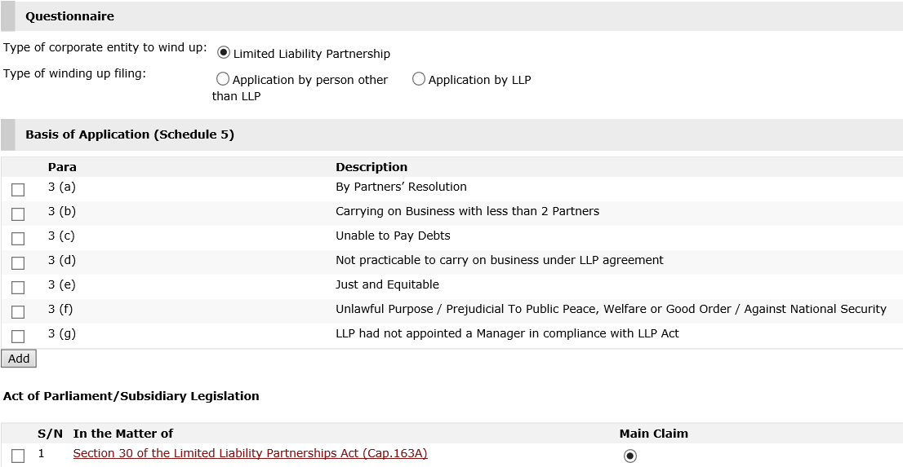

Nature of Case

 |  |  |  | Nature of Case *

Please ' tick ' which is your Main Claim, either the 1st Nature of Case or 1st Legislation.
 | 1st
 |  |  | 2nd
 |  |  | 3rd

Liquidator Information

 | Add Official Receiver

 |  | Party Entity : *

 |  | Name : *
...

